Opentherm parameters
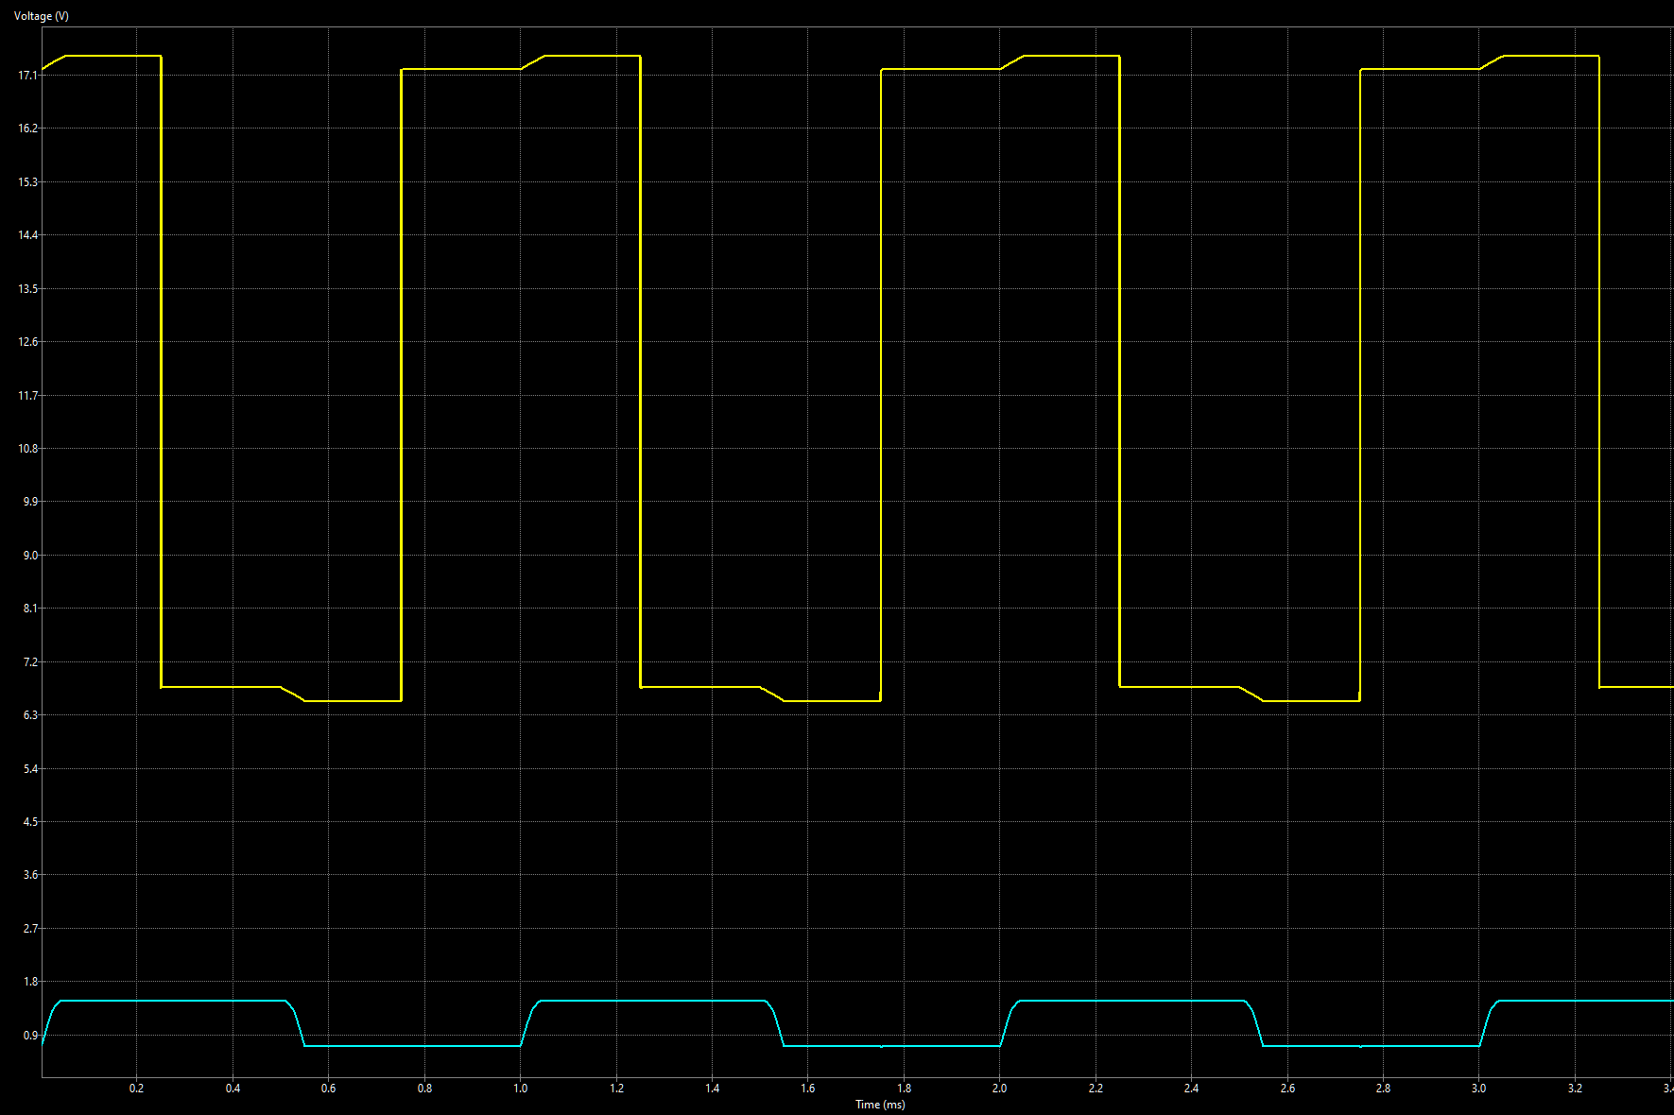
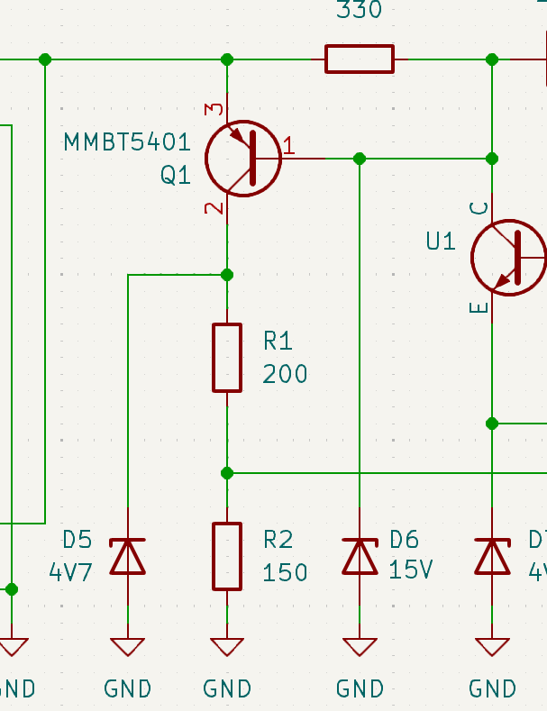
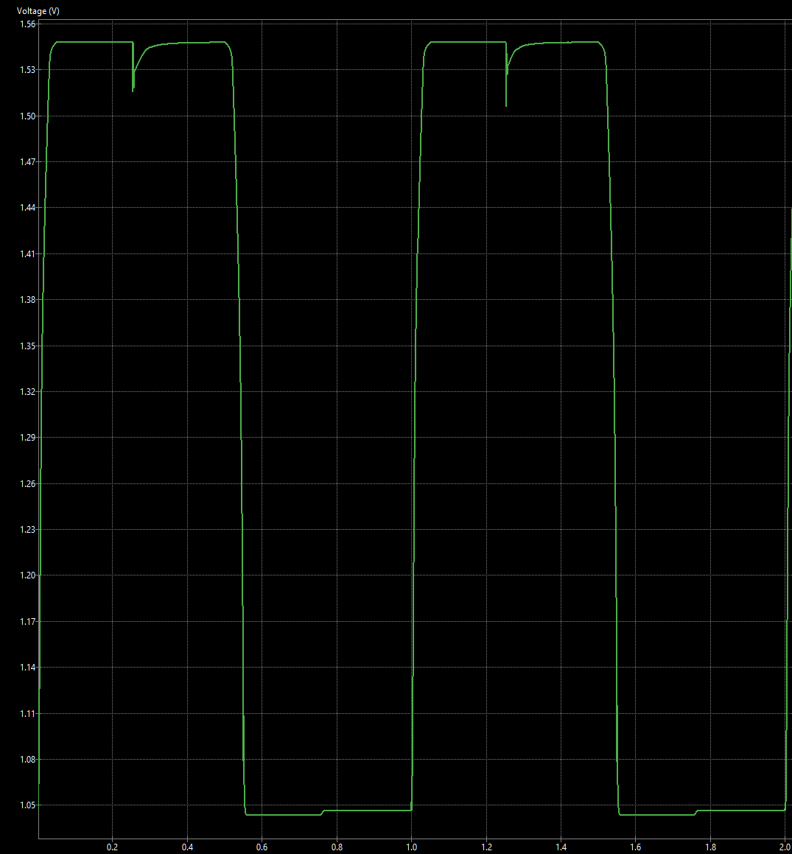
Resistor values
R1 | 200 | 220 | 220 | 200 | 180
R2 | 150 | 150 | 100 | 100 | 100
Vmin | 1.05 | 1.05 | 0.698 | 0.698 | 0.698
Vmax | 1.53 | 1.52 | 1.39 | 1.43 | 1.47

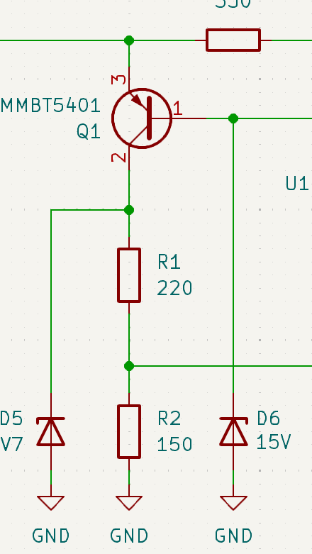
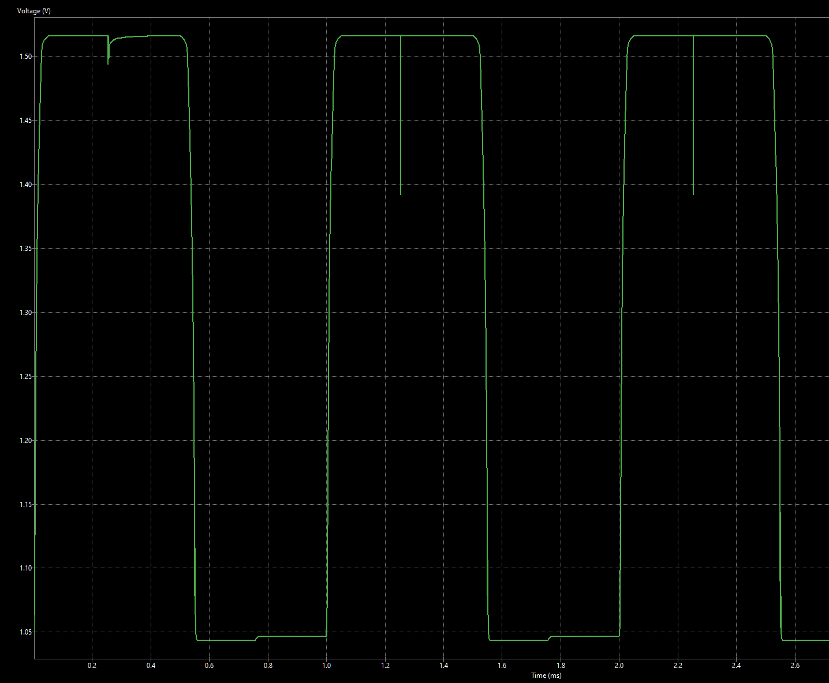

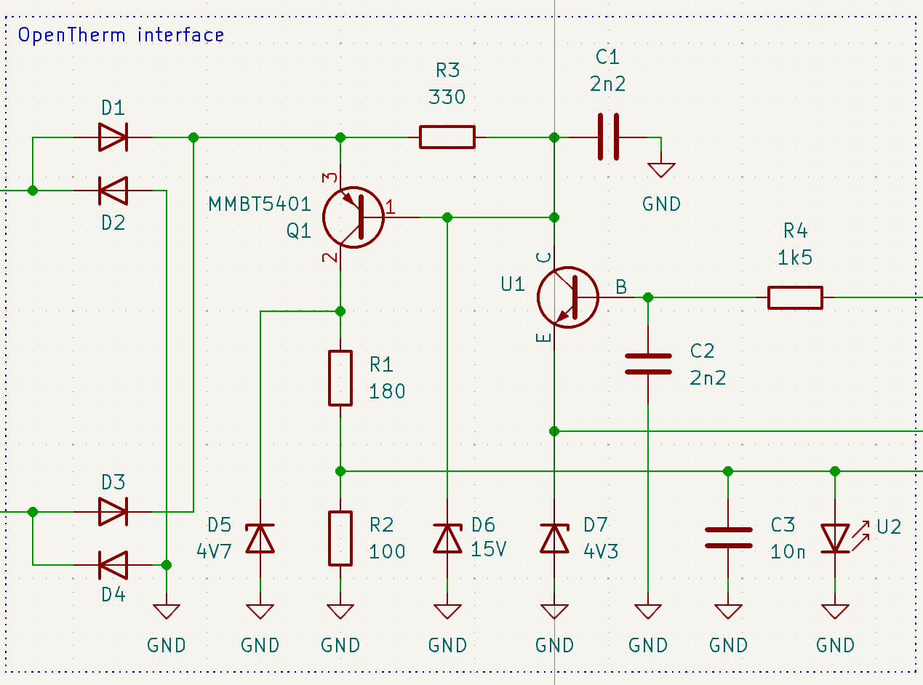
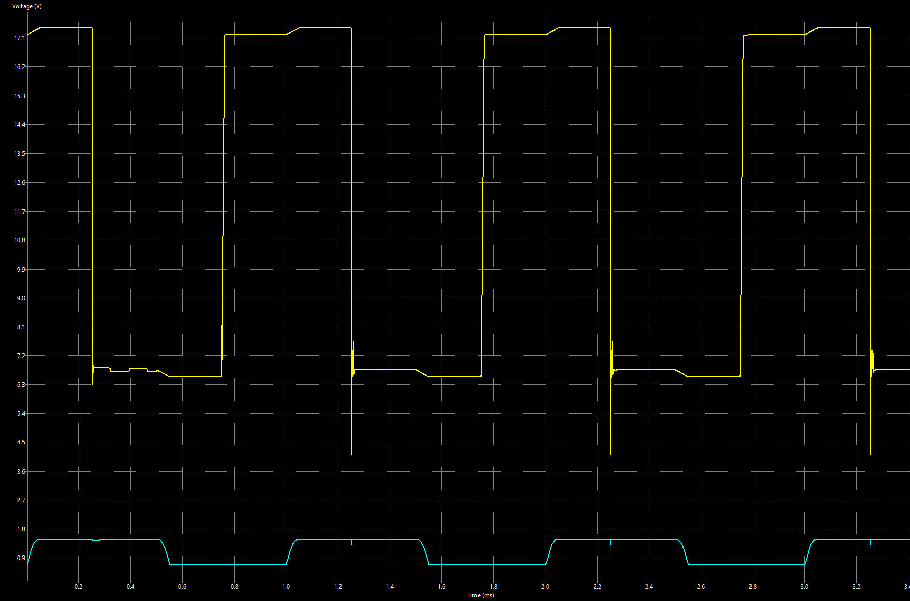
Capacitor values
C1 | 2n2 | 0
C2 | 2n2 | 0
C3 | 10n | 0

